Script
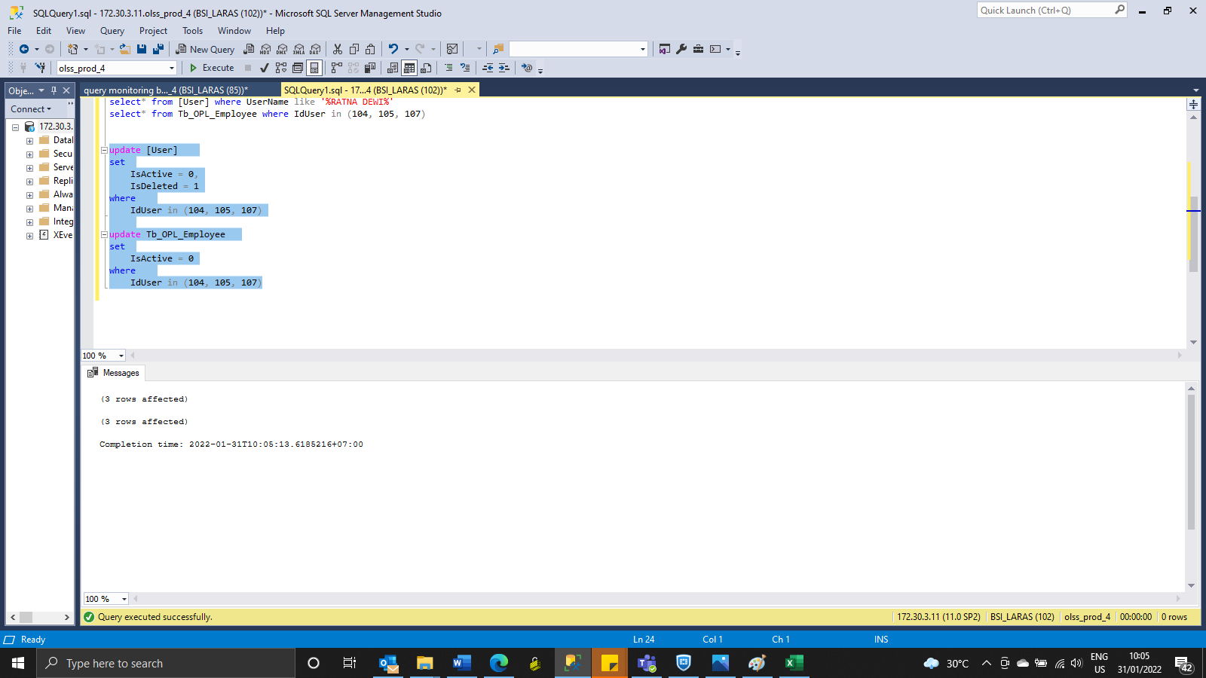
update [User]
set
 | IsActive = 0,
 | IsDeleted = 1
where
 | IdUser in (104, 105, 107)

update Tb_OPL_Employee
set
 | IsActive = 0
where
 | IdUser in (104, 105, 107)

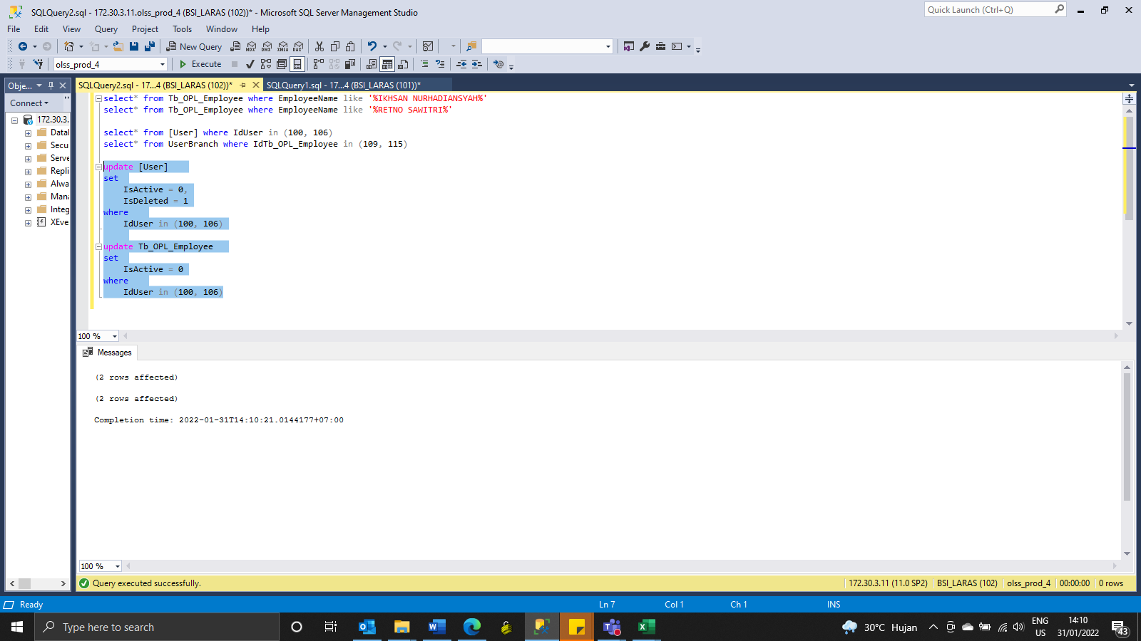
update [User]
set
 | IsActive = 0,
 | IsDeleted = 1
where
 | IdUser in (100, 106)

update Tb_OPL_Employee
set
 | IsActive = 0
where
 | IdUser in (100, 106)

